Ticket Requirements
Haddad Ticket Required (Yes/No) | Yes
Customer Ticket Required (Yes/No) | Yes - must check CDC

RFID TICKETS (HAD-RFID-12)
Newborn product will need dimensions on RFID sticker
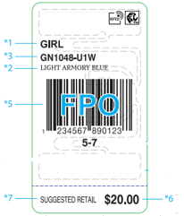

Hosiery Tickets (HAD-RFID-13)
Fabric content and Country of Origin must be on all hosiery /boxed sets/socks and underwear (any product that you cannot see the care label)
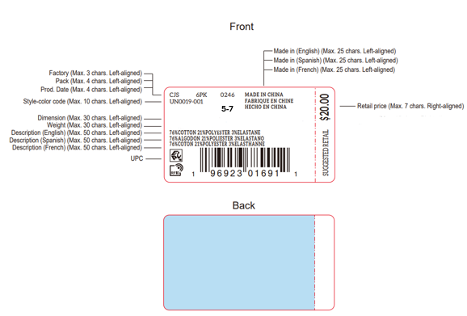

Newborn / Infant Tickets (HAD-RFID-12)
Weight and Inches are required.
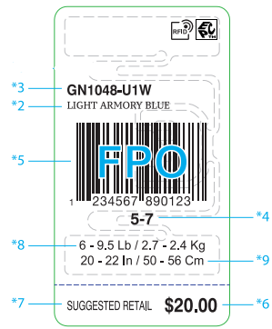

Accessories (No Gender)
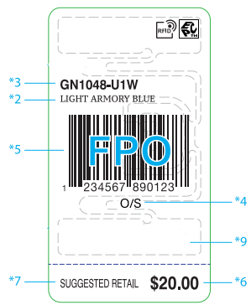

Kohl's Customer Ticket
Kohl's customer ticket is not required on all goods. You must check the Fashion Correctable or ask Ticketing Team to confirm if a style requires this ticket.

HAD-RFID-14 ALL Levi's Hangtags/ Joker Tags/ Matchbooks. |  | Length and Waist measurements are required on the matchbooks for Boys
Weight and height required for newborn/infant sizes
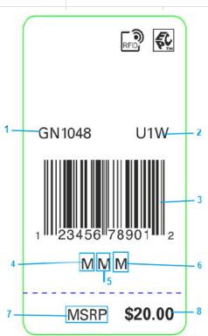 |  | 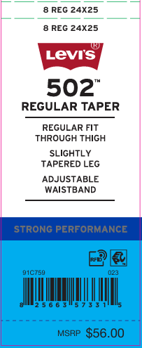

Ticket Placement Details
Category | Placement
TOPS | INJECT HANG TAG & PRICE TICKET BOTTOM OF WEARER’S L/SLV AT HTL
BOTTOMS | INJECT TAG & PRICE TICKET AT WEARER’S WAISTBAND LEFT SIDE SEAM
T/NECK | ATTACH HANG TAG & PRICE TICKET AT CONTENT LABEL AT NECK
SLVLESS TOPS/TANK TOPS; GIRLS SWIM: | ATTACH AT CONTENT LABEL AT NECK ON CTRY PROD LABEL
SLVLESS TOPS W/HEAT SEAL LABEL | INJECT HANG TAG & PRICE TICKET AT LEFT ARMHOLE SEAM IN THE H-TAG LOOP
OVERALLS, SHORTALLS | INJECT AT THE WEARER'S LEFT SIDE, IN WAISTBAND
OUTERWEAR | ATTACH BOTTOM LEFT SLV IN HTL
2PC MERCHANDISE | ATTACH BOTTOM LEFT SLV IN HTL -ONLY REQUIRES ONE PRICE TICKET BUT MUST STATE 2PC/3PC ETC. ALSO NEEDS ADDITIONAL HANGTAG ON SETS.
GIFT BOXES | PLACE STICKER TO LOWER RIGHT HAND CRNER AT BACK OF GIFT BOX
CAPS | INJECT HANGTAG THROUGH VENDOR LABEL OR BAND INSIDE HEADWEAR AT BACK.

TOPS
Categories | Tops - Short Sleeve Tops, Long Sleeve Tops, Rompers, 1pc Bodysuit

Hangtag Placement | At left bottom sleeve in hangtag loop

Hangers | Hanger Required | Yes
 | Size Range | Newborn | Infant | Toddler | 4-6x and 4/7 | 7-16 and 8-20
 | Hanger Type | 496 | 496 | 496 | 496/472 | 485B
 | Sizers | white clip/black lettering |  |  |  | Black Crown Sizer / White Lettering
1pc Bodysuit / Romper | Hanger | 0-3m | 6-9m | 12-24m
 |  | 495 | 496 | 496
Brand Stickers | Nike Inc. (Nike/Jordan/Converse/3 Brand): sticker on sets ONLY - place on Top front side of the hanger Huggies and Polo: sticker front side of the hanger, on both sets and tops Levi’s and Hurley – sticker both sides of the hanger, on both sets and tops The stickers should be centered on the hanger and the correct size sticker should be used to fit the hanger. Stickers should not be used on the hanger if there is already a rider card on the hanger.
Polybag | If using a polybag, all polybags must be perforated with hangers exposed for ease of removal.
Misc Instructions | Use white hangers on merged size packs.
Photo Examples | 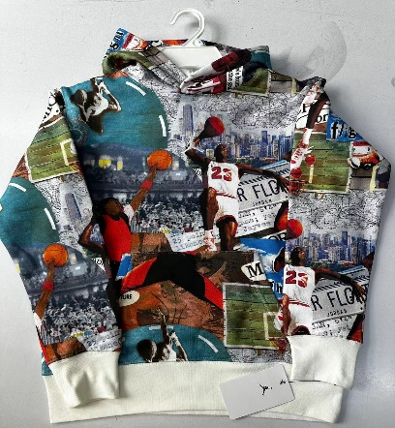 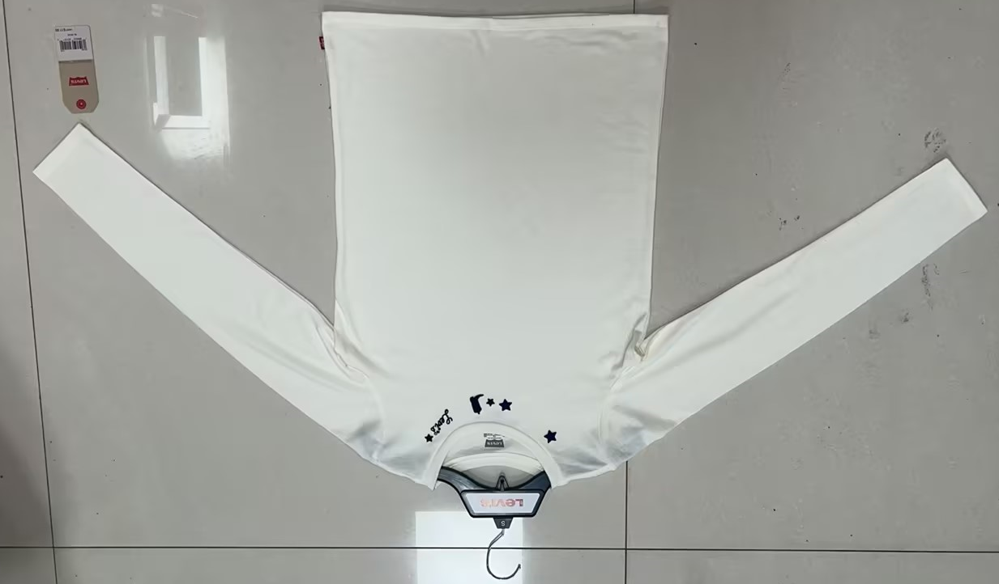

FLAT PACKING
Hanger Required | No
Folding Requirements

Polybag | Master polybag required for white and cream-colored product Master Polybag may also be used for mold prevention when needed, along with desiccant

Photo Examples | 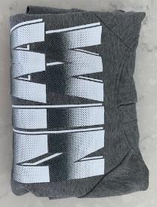

Ecomm labels
Hanger Required | No
Polybag | Individual Polybag
Misc Instructions | Hangtag/UPC sticker must be face up and visible through the polybag
Photo Examples | 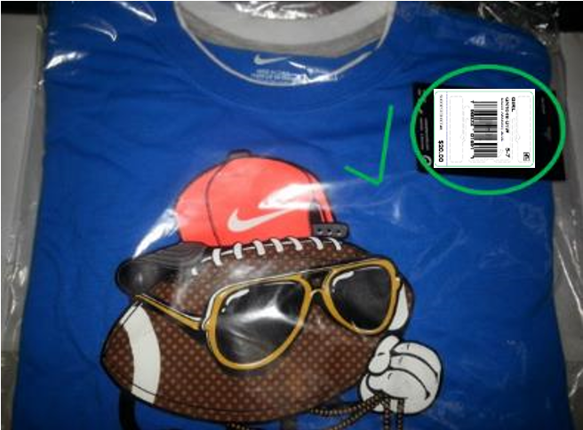

BOTTOMS
Categories | Bottoms - Pants, Shorts, Skirts, Boys Swimsuits/Boardshorts

Hangtag Placement | At left waistband side seam
Alternate Placement | If no waistband side seam, attach ticket to inside leg or waistband seam.
RFID Placement | For joker tags it should always be on the reverseside (inside.)
 | 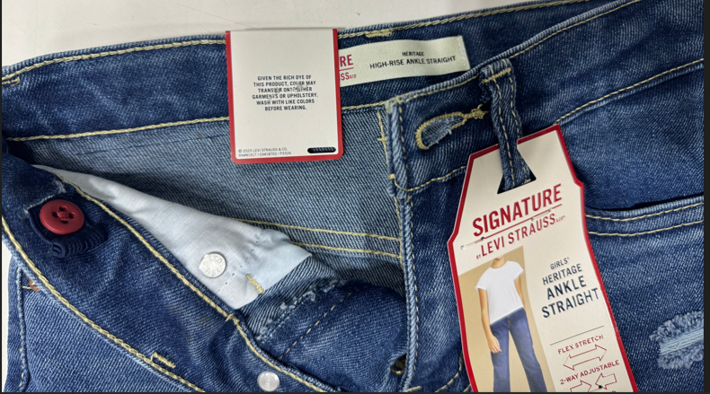 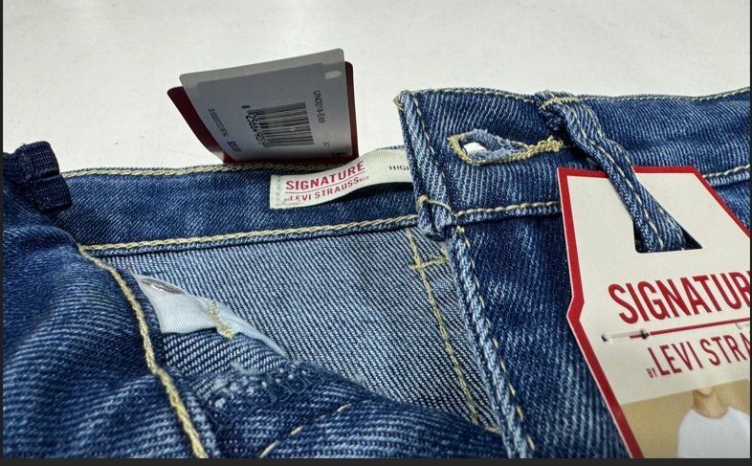

Misc Notes | OK to use longer a swift tag if necessary.

Hanger Required | Yes
Size Range | Newborn | Infant | Toddler | 4-6x and 4/7 | 7-16 and 8-20
Hanger Type | 6108 | 6108 | 6108 | 6110 | 6012B
Brand Stickers | No
Sizers | white clip/black lettering |  |  |  | Black Crown Sizer / White Lettering
Polybag | If using a polybag, all polybags must be perforated with hangers exposed for ease of removal.
Misc Instructions | Use white hangers on merged size packs Unless specified differently, all will be required to hang in a closed presentation with the side panel facing forward. When possible, always double tuck If double tucking is not possible, then single tuck. If single tucking is not possible, then use no tuck THIS DOES NOT INCLUDE SKIRTS AND SKORTS. THESE MUST BE IN AN OPEN PRESENTATION
Photo Examples | Double Tucked |  | Single Tucked
 | 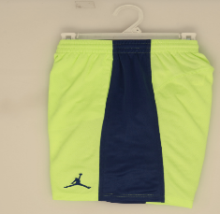 |  | 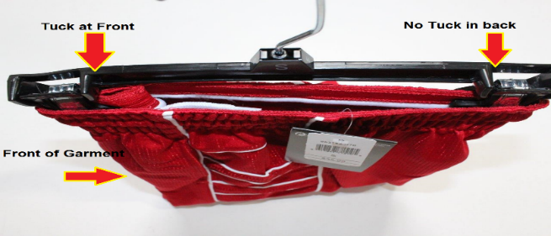

(Levis Denim/Twill)
Hanger Required | Yes
Size Range | Newborn | Infant | Toddler | 4-6x and 4/7 | 7-16 and 8-20
Hanger Type | 6108 | 6108 | 6108 | 6110 | 6012B
Brand Stickers | No
Sizers | white clip/black lettering |  |  |  | Black Crown Sizer / White Lettering
Polybag | All polybags must be perforated with hangers exposed for ease of removal.
Photo Examples | 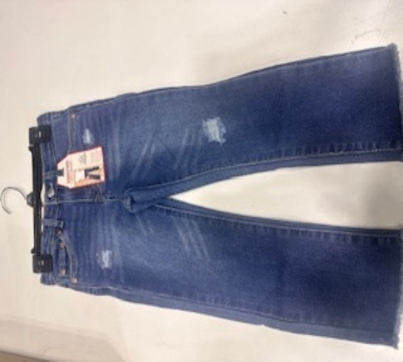 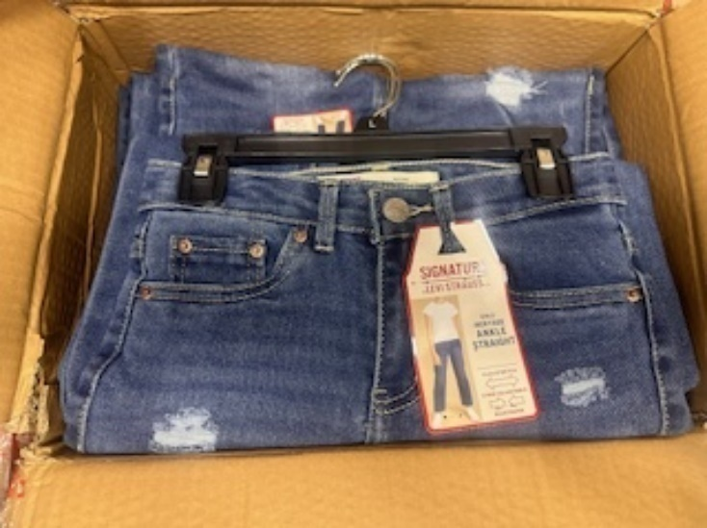

Flat Packing
Hanger Required | No
Polybag | Master polybag required for white and cream-colored product Master Polybag may also be used for mold prevention when needed, along with desiccant

Photo Examples | 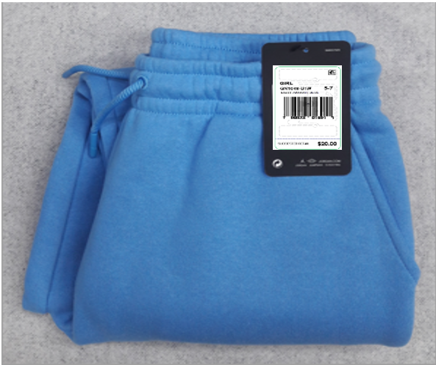

 | Flat Packing (Levis Denim/Twill)
Photo Examples | 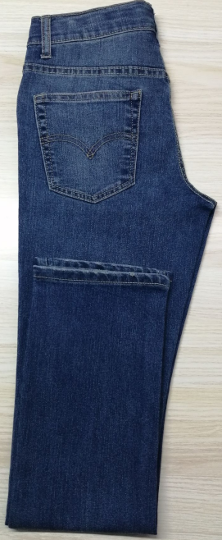 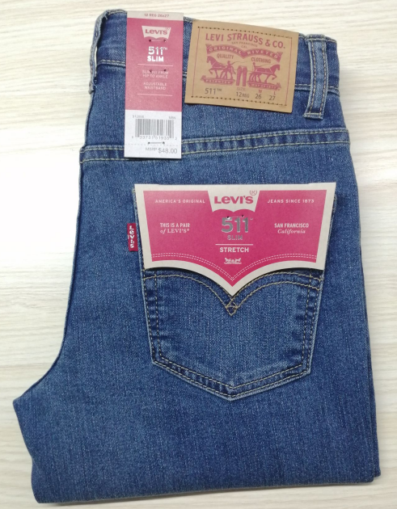

Ecomm labels
Hanger Required | No
Polybag | Individual Polybag
Misc Instructions | Hangtag/UPC sticker must be face up and visible through the polybag
Photo Examples | 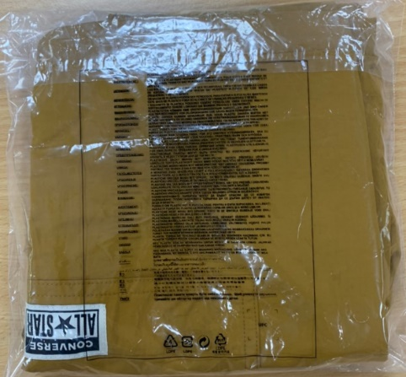 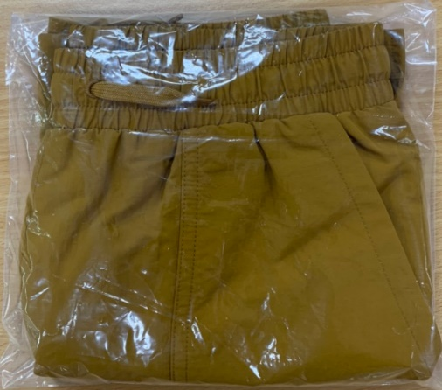 

Ecomm labels ( Levis Denim/Twill)
Hanger Required | No
Polybag | Individual Polybag
Misc Instructions | Hangtag/UPC sticker must be face up and visible through the polybag
Photo Examples | 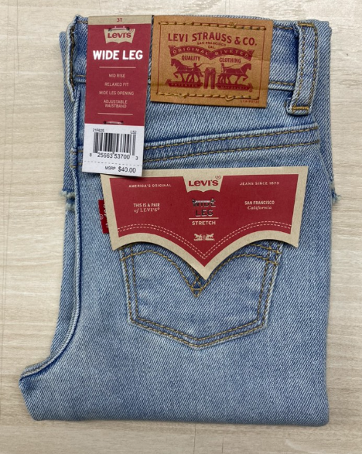 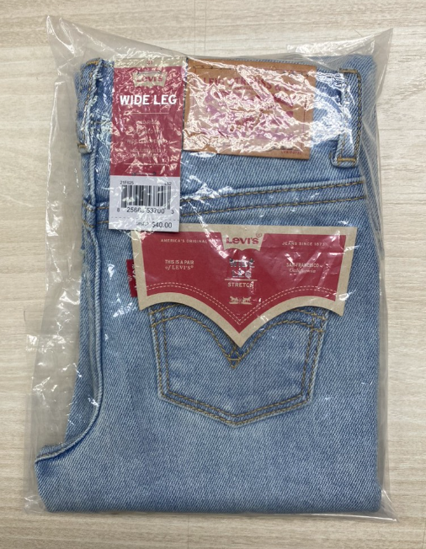

COVERALLS
Categories | Multi-pack Bodysuits (Coveralls)

Hangtag Placement | At left bottom sleeve in hang tag loop

Hanger Required | Yes
Size Range | Newborn |  | Infant | Toddler | 4-6x and 4/7 | 7-16 and 8-20
Sizes | 0-3 | 6-9 | 12-24 | 2T-4T | 4-6x and 4/7 | 7-16 and 8-20
Hanger Type for 2pc Creepers | 4652 | 1572 | 2262
Hanger Type for 3pc Creepers | 4853 | 4953 | 4963
Hanger Type for 4pc Creepers | 4854 | 4954
Hanger Type for 5pc Creepers | 4855 | 4955 | 4965
Brand Stickers | Nike Inc. (Nike/Jordan/Converse/3 Brand): sticker on sets ONLY - place on Top front side of the hanger Huggies and Polo: sticker front side of the hanger, on both sets and tops Levi’s and Hurley – sticker both sides of the hanger, on both sets and tops The stickers should be centered on the hanger and the correct size sticker should be used to fit the hanger. Stickers should not be used on the hanger if there is already a rider card on the hanger.
Sizers | white clip/black lettering
Polybag | If using a polybag, all polybags must be perforated with hangers exposed for ease of removal.
Misc Instructions | Use white hangers on merged size packs Back unit should always be reversed so the graphic is visible
Photo Examples | Bodysuit Set - Front View |  |  | Bodysuit Set - Rear View

Ecomm labels
Hanger Required | Yes Bodysuits such as 3pc creepers should include a hanger.
Polybag | Individual Polybag. Hanger should not be exposed through the polybag
Misc Instructions | Hangtag/UPC sticker must be face up and visible through the polybag.
Photo Examples | Bodysuit Set - Front View
 | 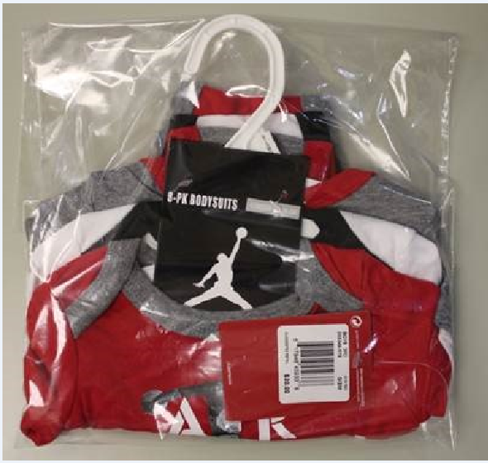

SETS
Categories | Sets - 2pc sets, 3pc sets, Swim Sets
Misc Note | For multi-pack bodysuits, see BODYSUITS section

Hangtag Placement | At left bottom sleeve in hang tag loop

Hanger Required | Yes
Misc Instruction on Hanger | For sizes 8-20 the drop will depend on whether the short will be visible.
Size Range | Newborn | Infant | Toddler | 4-6x and 4/7 | 7-16 and 8-20
Hanger Type for 2 pc short sets with top/bottom | 495/9508 | 496/9508 | 496/9508 | 472/9510 | 485B/6012B/9512B
Hanger Type for 2 pc pant sets with top/bottom | 495/9508 | 496/9508 | 496/9508 | 472/9510 | 485B/6012B
Hanger Type for 2 Tops & Bottom PC Set | 1010/9508 | 1010/9508 | 1212/9508 | 1414/9510 | 1616B/9512B
1 TOP & 2 BOTTOM PC SET | 495/9508 | 496/9508 | 472/9510 | 472/9510 | N/A
2 TOPS & 2 BOTTOM PC SET | 1010/9508 | 1010/9508 | 1212/9510 | 1414/9510 | N/A
Brand Stickers | Nike Inc. (Nike/Jordan/Converse/3 Brand): place sticker on sets ONLY - place on Top front side of the hanger Huggies and Polo: sticker front side of the hanger, on both sets and tops Levi’s and Hurley – sticker both sides of the hanger, on both sets and tops The stickers should be centered on the hanger and the correct size sticker should be used to fit the hanger. Stickers should not be used on the hanger if there is already a rider card on the hanger.
Sizers | white clip/black lettering |  |  |  | Black Crown Sizer / White Lettering
Polybag | If using a polybag, all polybags must be perforated with hangers exposed for ease of removal.
Misc Instructions | Use white hangers on merged size packs The hanger drop for the bottom should be long enough to show the brand logo or graphic below the top If the bottom cannot hang low enough to make the logo/graphic visible below the top, hang the bottom backwards with the logo visible form the back Bottoms should be hung in an open (front facing) presentation
Photo Examples | Set - Front View |  | Set - Rear View |  | Set With Short Hanger Drop
 | 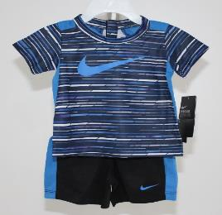 |  | 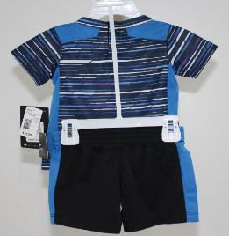 |  | 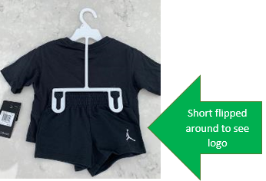

 | 3 Pc Set
 | 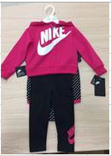 |  | 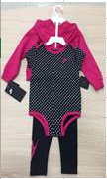

Ecomm labels
Hanger Required | No
Polybag | Individual Polybag
Misc Instructions | Hangtag/UPC sticker must be face up and visible through the polybag
Photo Examples | Polybagged with UPC face up
 | 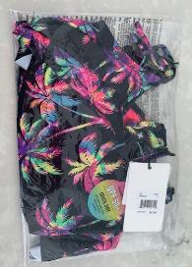 |  |  | 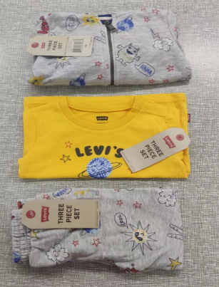 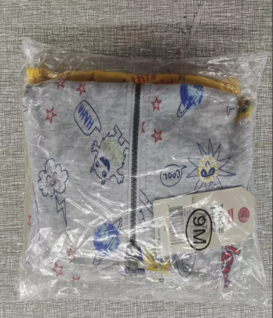

OUTERWEAR
Categories | Outerwear

Hangtag Placement | At left bottom sleeve in hang tag loop

Hanger Required | Yes
Size Range | Newborn | Infant | Toddler | 4-6x and 4/7 | 7-16 and 8-20
JACKETS | 495 | 496 | 496 | 472 | 485B
SWEATER/OUTERW | 496/217 | 496/210 | 496/210 | 210/472 | 3329B
Brand Stickers | Nike Inc. (Nike/Jordan/Converse/3 Brand): sticker on sets ONLY - place on Top front side of the hanger Huggies and Polo: sticker front side of the hanger, on both sets and tops Levi’s and Hurley – sticker both sides of the hanger, on both sets and tops The stickers should be centered on the hanger and the correct size sticker should be used to fit the hanger. Stickers should not be used on the hanger if there is already a rider card on the hanger.
Sizers | white clip/black lettering |  |  |  | Black Crown Sizer / White Lettering
Polybag | If using a polybag, all polybags must be perforated with hangers exposed for ease of removal.
Misc Instructions | For smaller sizes that become bulky, okay to fold sleeves diagonal and lay flat in carton.
Photo Examples | 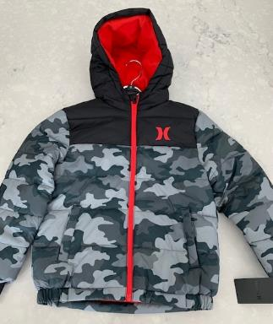 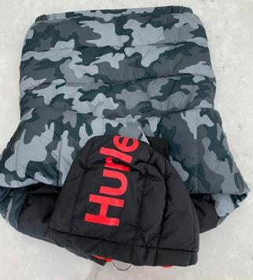

Flat Packing
Hanger Required | No
Polybag | Master polybag required for white and cream-colored product Master Polybag may also be used for mold prevention when needed, along with desiccant

Photo Examples | 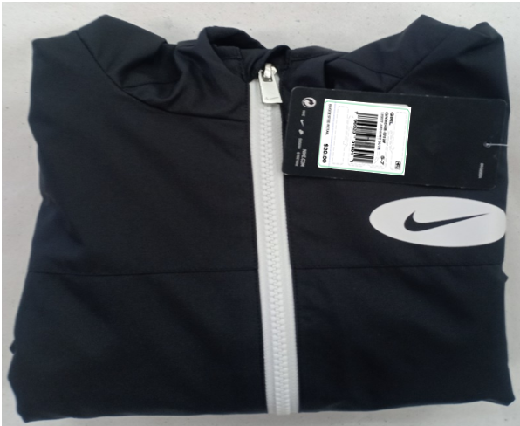

Ecomm labels
Hanger Required | No
Polybag | Individual Polybag
Misc Instructions | Hangtag/UPC sticker must be face up and visible through the polybag. Outerwear should be pushed down in the carton just enough to remove the air and save a few inches at the top of the carton.
Photo Examples | 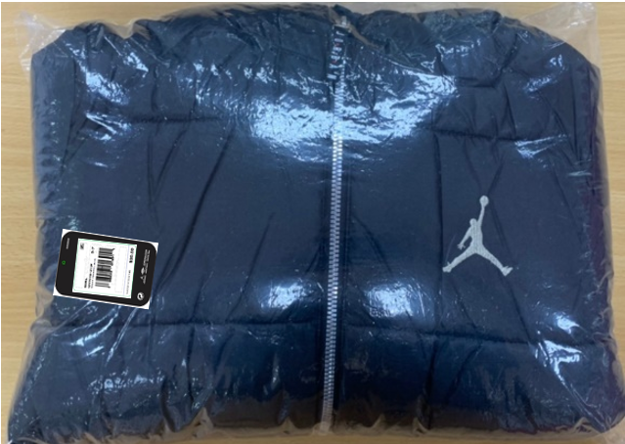

1 PC SWIMWEAR
Categories | Girls 1 Piece Swimwear

Notes | For boys swimwear, see section for bottoms

Hangtag Placement | Tops: at left armhole in hang tag loop / Bottoms: at left side of waistband

Hanger Required | YES
Size Range | Newborn | Infant | Toddler | 4-6x and 4/7 | 7-16 and 8-20
Hanger Type for Girls 1pc | 495 | 496 | 496 | 472 | 485B
Brand Stickers | Nike Inc. (Nike/Jordan/Converse/3 Brand): sticker on sets ONLY - place on Top front side of the hanger Huggies and Polo: sticker front side of the hanger, on both sets and tops Levi’s and Hurley – sticker both sides of the hanger, on both sets and tops The stickers should be centered on the hanger and the correct size sticker should be used to fit the hanger. Stickers should not be used on the hanger if there is already a rider card on the hanger.
Sizers | white clip/black lettering |  |  |  | Black Crown Sizer / White Lettering
Polybag | If using a polybag, all polybags must be perforated with hangers exposed for ease of removal.
Misc Instructions | Use white hangers on merged size packs
Photo Examples | 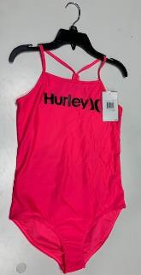 |  |  | 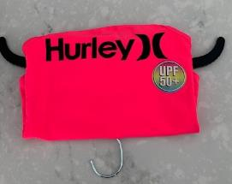

Flat Packing
Hanger Required | No
Polybag | Master polybag required for white and cream-colored product Master Polybag may also be used for mold prevention when needed, along with desiccant

Photo Examples | 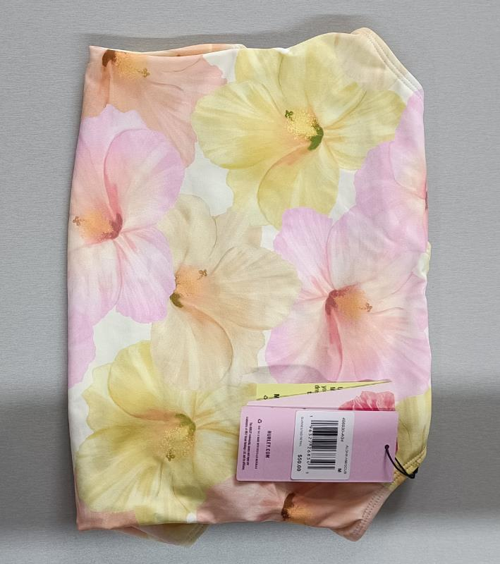

Ecomm labels
Hanger Required | No
Polybag | Individual Polybag
Misc Instructions | Hangtag/UPC sticker must be face up and visible through the polybag
Photo Examples | 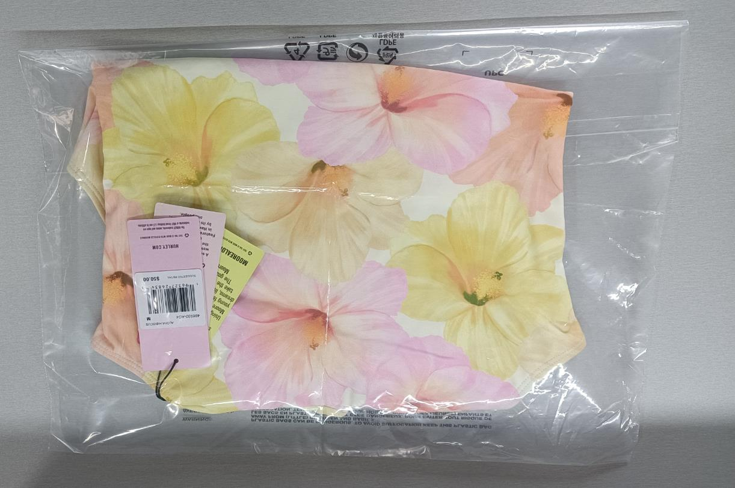 |  |  | 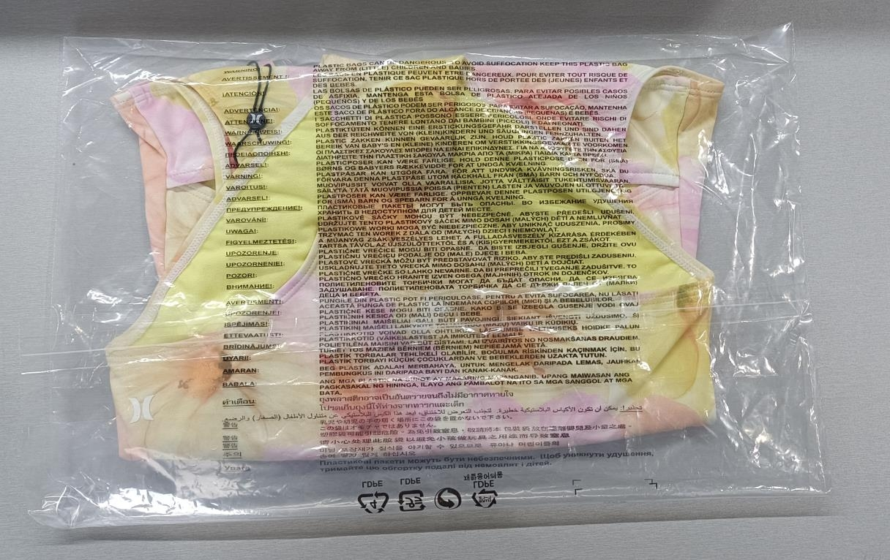

2-3 PC SWIMWEAR
Categories | Girls 2-3 Piece Swimwear

Notes | For boys swimwear, see section for bottoms

Hangtag Placement | Tops: at left armhole in hang tag loop / Bottoms: at left side of waistband

Hanger Required | YES
Size Range | Newborn | Infant | Toddler | 4-6x and 4/7 | 7-16 and 8-20
Hanger Type for Girls 2pc | 8108 | 8108 | 8108 | 8308/8310 | 8010B
Hanger Type for Girls 3 pc | 1572/1108 | 1572/9508 | 2262/9508 | 2262/6610 | 414B/6610B
Alternate hanger for 3pc |  |  |  | 1212/6750 | 1414B / 6750B
Brand Stickers | Nike Inc. (Nike/Jordan/Converse/3 Brand): sticker on sets ONLY - place on Top front side of the hanger Huggies and Polo: sticker front side of the hanger, on both sets and tops Levi’s and Hurley – sticker both sides of the hanger, on both sets and tops The stickers should be centered on the hanger and the correct size sticker should be used to fit the hanger. Stickers should not be used on the hanger if there is already a rider card on the hanger.
Sizers | white clip/black lettering |  |  |  | Black Crown Sizer / White Lettering
Polybag | If using a polybag, all polybags must be perforated with hangers exposed for ease of removal.
Misc Instructions | Use white hangers on merged size packs
Photo Examples | 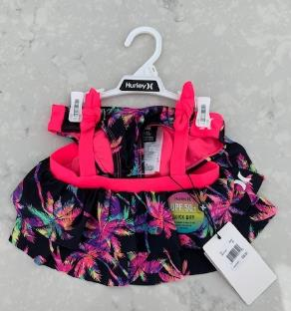 |  |  | 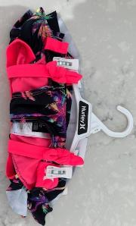

Ecomm labels
Hanger Required | No
Polybag | Individual Polybag
Misc Instructions | Hangtag/UPC sticker must be face up and visible through the polybag
Photo Examples | 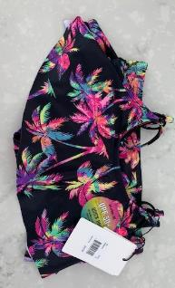

BOX SETS
Categories | Box Sets

Boxed Sets, Bootie Sets
Misc Instructions | Boxed Sets Do Not Need To Be Individually Polybagged.
Hanger Required | No
Polybag | No
Photo Examples | 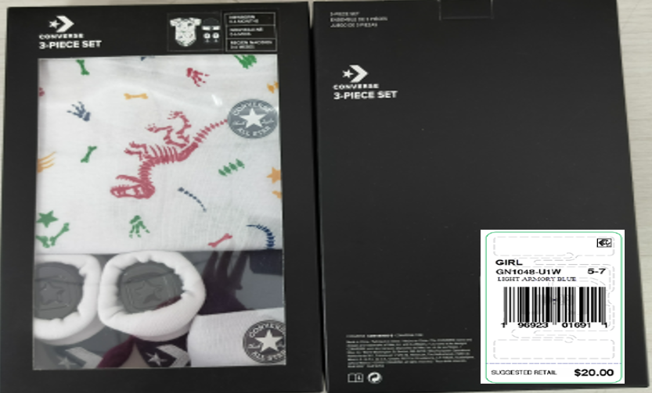

HOSIERY
Categories | Hosiery

Bibs, Socks
Hanger Required | No
Polybag | Yes

Packing Instruction | All NB/Inf/Todl: Hat/Bootie and Sock sets- 3 units per pack- 4 packs per carton = 12 unit/pc master carton Girls hosiery- 6 units per pack- 2 packs per carton= 12 unit/pc master carton Boys hosiery- 2 units per pack- 6 packs per carton = 12 unit/pc master carton
Photo Examples | 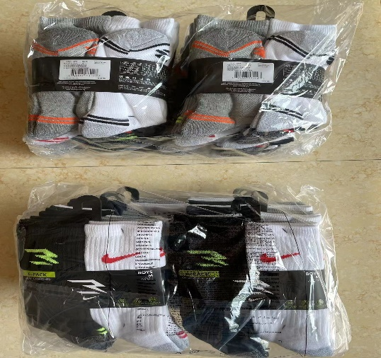

Ecomm labels
Hanger Required | No
Polybag | Individual Polybag
Misc Instructions | Hangtag/UPC sticker must be face up and visible through the polybag
Photo Examples | 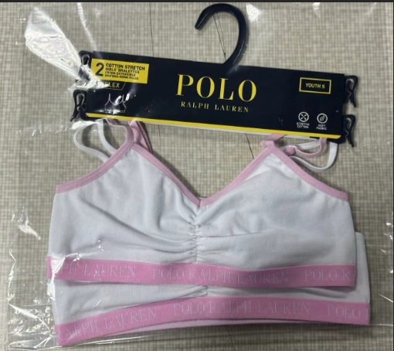

UNDERWEAR
Categories | Hosiery

Underwear- All Brands
Hanger Required | No
Polybag | Yes

RFID | Yes
Photo Example | 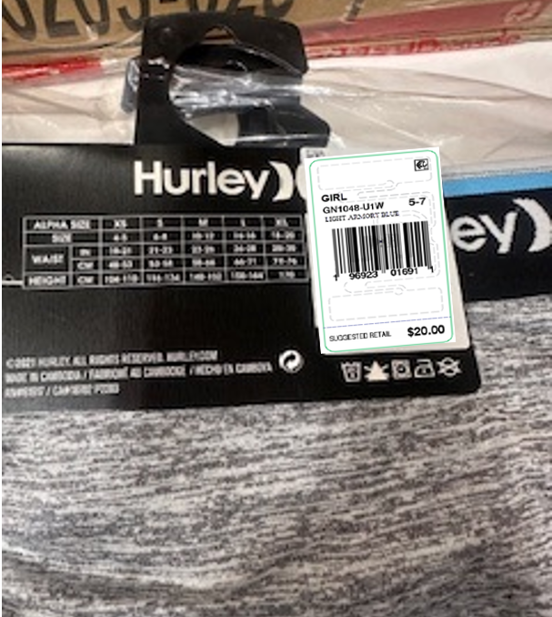

COLD WEATHER
Categories | Hats

Beanie, Glove & Beanie, Mittens, Caps, Scarves
Hanger Required | No
Hangtag Placement | Place through "J" Hook
Polybag | Yes
Misc Instructions for Cold Weather | Newborn/Infant/Toddler- 3pc inner/ 12 master Boys 4-20 Label (K1)- 8pc inner/ 16 pc master (2 polybags of 8 units each in one box) Boys 4-20 Label (2K)- 3pc inner/ 6 pc master (2 polybags of 3 units each in one box)
Boys Cold Weather size 8-20 | Account K812M it should be 12 units to a carton in one big polybag
Misc Instructions for Hearwear | Newborn/Infant/Toddler - 3 inner/ 12 master Boys 4-7- 4 pc inner/ 12 master
Misc Instructions for Cap | Account K812M 12 pcs per bundle/ 1 bundle per carton Account K816M 1 pc per polybag/ 12 polybags per carton
Photo Examples | 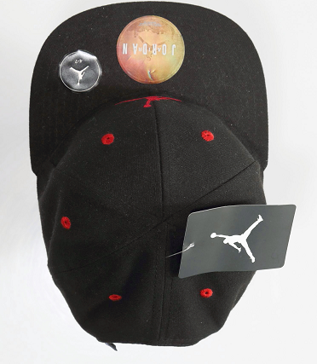 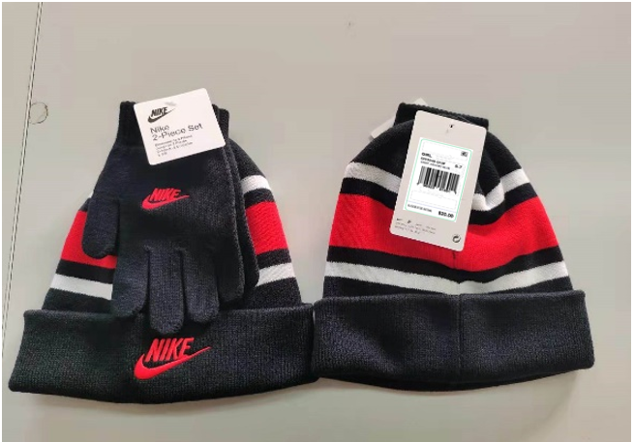

Ecomm labels
Hanger Required | No
Polybag | Individual Polybag
Misc Instructions | Hangtag/UPC sticker must be face up and visible through the polybag
Photo Examples |  

Boys Cold Weather size 8-20 | K816M should be 12 units in a carton individually polybagged

BAGS
Categories | Bags

Hangtag Placement | Should be applied with a loop swift tag through the top handle

Hanger Required | No
Polybag | Yes

Misc Instructions - Duffles | Duffle bags: Stores KO - 4 inner / 4 outer pack ratio
Misc Instructions | Backpacks require individual polybags.
Photo Examples |  

Clear Accessories
Hanger Required | No
Polybag | Yes

Misc Instructions | individual polybags
Photo Examples |  | 

 |  | 

Handbags, Duffle bags, Lunch totes, Sling bags
Hanger Required | No
Polybag | Yes

Misc Instructions | Stores KO- 4 pc inner / 4 pc master
Photo Examples | 

Ecomm labels
Hanger Required | No
Polybag | Individual Polybag
Misc Instructions | Hangtag/UPC sticker must be face up and visible through the polybag
Photo Examples |  

PACKING

Carton Requirements
Min Measurements: L6 X W6 X H3"
Max Measurements: L30 X W23 X H18"
Min Weight: 2 LBS
Max Weight: 35 LBS

POLY BAG WARNING ON PERFORATED BAG: Child safety warning must be printed on all poly bags. MUST HAVE INFO IN 35 LANGUAGES
Use 1 polybag per prepack: Use the easy tear off polybag. This bag must be perforated at the shoulder and down the center of the polybag and must not be sealed with tape. Hangers should always be exposed. (Breaking a pre-pack is not allowed.)


**follow the packaging manual for more details regarding carton quality standards, markings, and labelling requirements.**

